How To Use
You will only need to fill out the main ecu and pdm sheets (M150 ECU and PDM 30) For any other devices that you want pinouts for such as GPS, Engine harness, sensors, etc you will copy from the induvidual connector template and paste it in another sheet. | Created By: Raheel Farouk Contact raheelfarouk@pitt.edu / raheelfarouk@gmail.com for queries

 | *In progress version

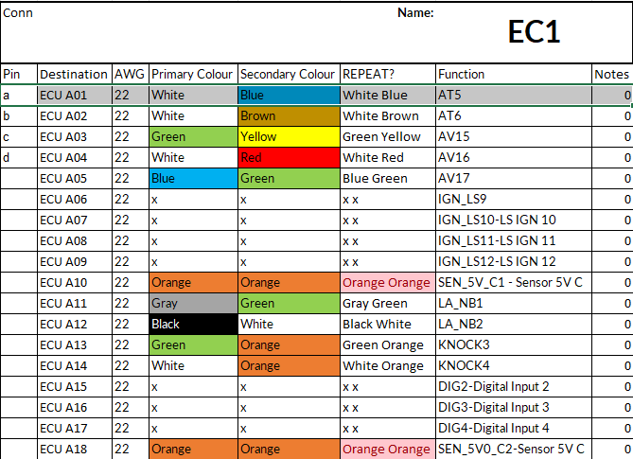

For after you copy the template(Image shown above) You only need to fill out the Pin column, which is the pin muber of the connector and the Destination Column which will have either "ECU" or "PDM" in the beginning so that the sheet can determine where to get the vales from. ALL OTHER CELLS AUTOPOPULATE based on the main sheet

